109892080017012
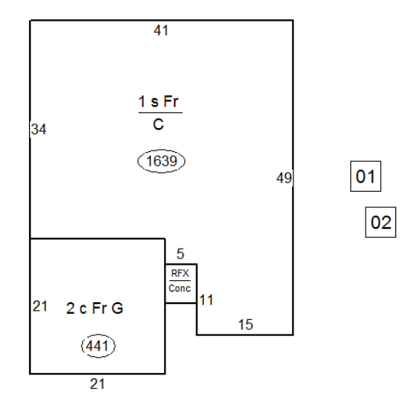
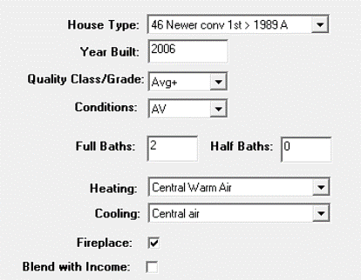

 |  |  |  |  | [(MA $/sq ft) X (Segment %)] X (Segment sq ft)

ProVal |  | Percentage of Base
MA: | $132,710 | MA: | $132,710
AttGar: | $11,970 | AttGar: | $10,945 | (80.97 X 30.65%)(441)
Cov Porch: | $530 | Cov Porch: | $465 | (80.97 X 19.09%)(30)
Imp Total: | $145,210 | Imp Total: | $144,120
 |  |  | 99.25%

127984040000009
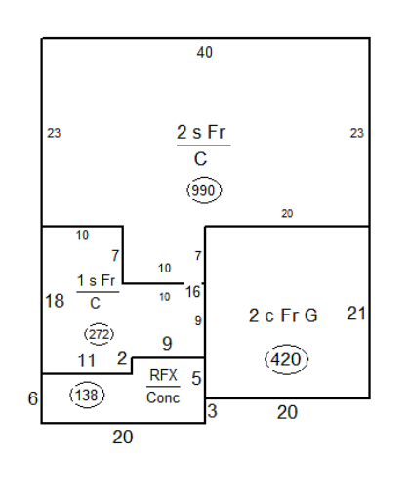
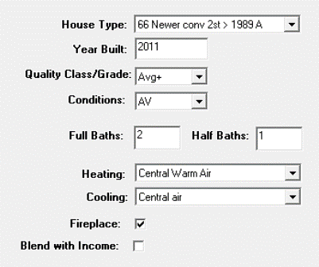

 |  |  |  |  | [(MA $/sq ft) X (Segment %)] X (Segment sq ft)

ProVal |  | Percentage of Base
MA: | $105,460 | MA: | $105,460
2nd Story: | $65,160 | 2nd Story: | $68,685 | ($83.57 X 83.02%)(990)
AttGar: | $11,430 | AttGar: | $10,758 | ($83.57 X 30.65%)(420)
Cov Porch: | $2,460 | Cov Porch: | $2,201
Total: | $184,510 | Total: | $187,104
 |  |  | 101%

127984040000058
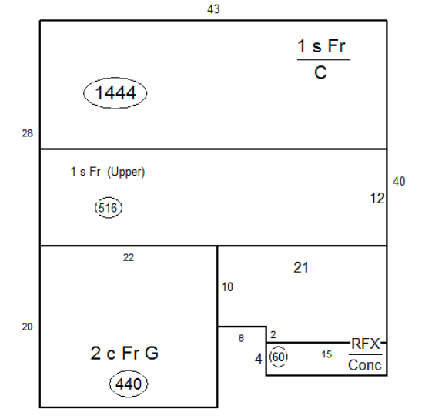
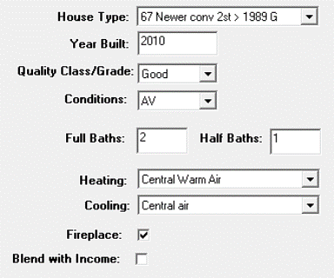

 |  |  |  |  | [(MA $/sq ft) X (Segment %)] X (Segment sq ft)

ProVal |  | Percentage of Base
MA: | $147,240 | MA: | $147,240 | $101.97
2nd Story: | $45,270 | 2nd Story: | $43,682
AttGar: | $13,630 | AttGar: | $13,752
Cov Porch: | $1,170 | Cov Porch: | $1,168
Total: | $207,310 | Total: | $205,842
 |  |  | 99.29%

135981040002008
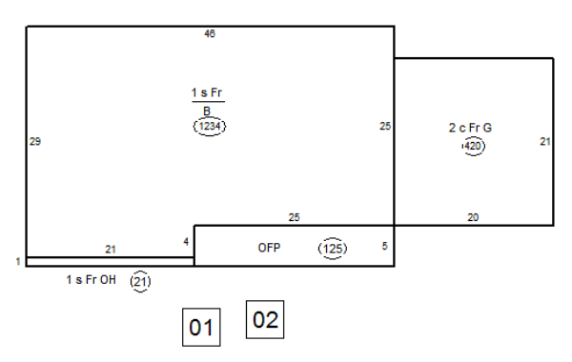
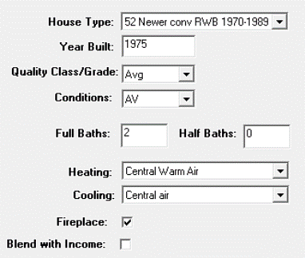

 |  |  |  |  | [(MA $/sq ft) X (Segment %)] X (Segment sq ft)

ProVal |  | Percentage of Base
MA: | $105,130 | MA: | $105,130 | $83.74
Bsmt: | $49,130 | Bsmt: | $53,258 | $56,586 X .9 (10% unfinished bsmt) |  | $50,900
AttGar: | $11,430 | AttGar: | $10,780 |  |  | $2,358
Cov Porch: | $3,590 | Cov Porch: | $1,998
Total: | $169,280 | Total: | $171,166
 |  |  | 101.71%

131993030003029
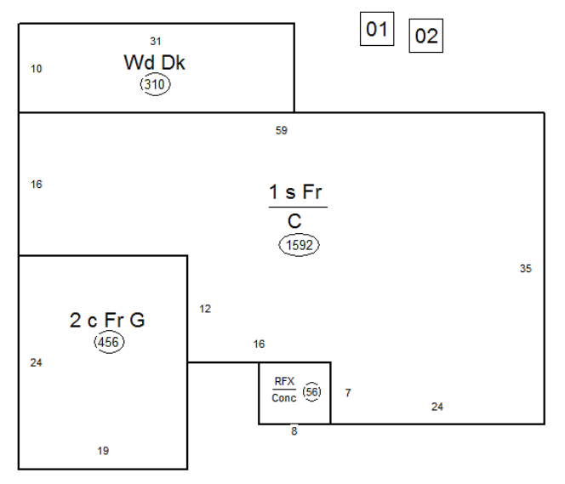
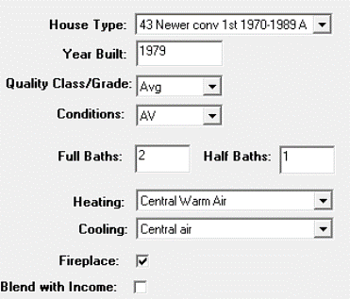

 |  |  |  |  | [(MA $/sq ft) X (Segment %)] X (Segment sq ft)

ProVal |  | Percentage of Base
MA: | $128,840 | MA: | $128,840 | $80.93
Att Gar: | $12,350 | Att Gar: | $11,311
Wood Deck: | $2,780 | Wood Deck: | $4,079
Cov Porch: | $1,000 | Cov Porch: | $865
 | $144,970 |  | $145,095
 |  |  | 100.09%

107972040004004
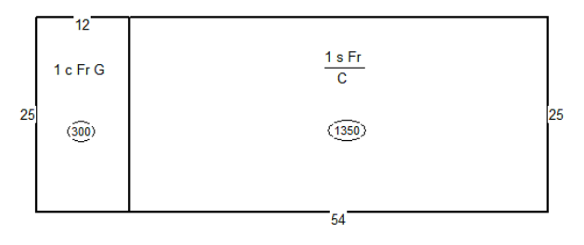
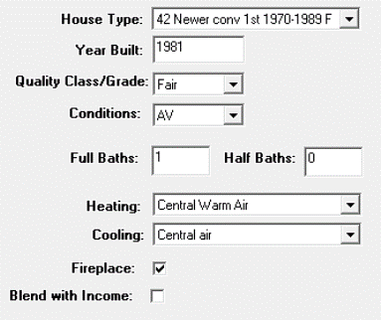

 |  |  |  | [(MA $/sq ft) X (Segment %)] X (Segment sq ft)

ProVal |  | Percentage of Base
MA: | $92,530 | MA: | $92,530
AttGar: | $8,820 | AttGar: | $6,302
Total: | $101,350 | Total: | $98,832
 |  |  | 97.52%

101843040000018
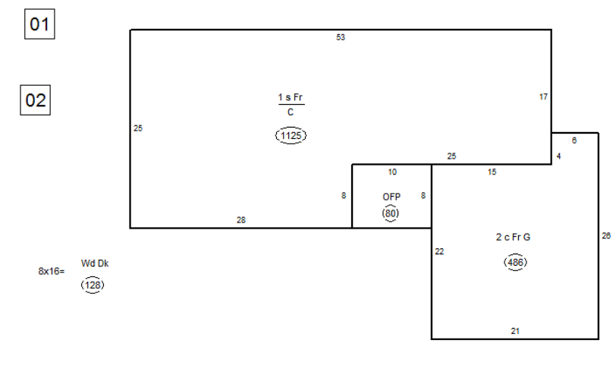
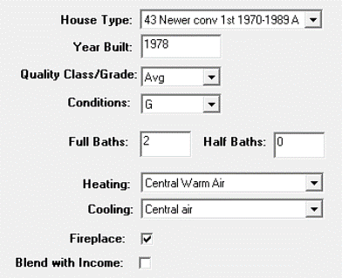

 |  |  |  |  | [(MA $/sq ft) X (Segment %)] X (Segment sq ft)

ProVal |  | Percentage of Base:
MA: | $95,950 | MA: | $95,950 | $85.29
AttGar: | $13,120 | AttGar: | $12,704
Cov Porch: | $2,580 | Cov Porch: | $1,302
Wd Deck: | $1,860 | Wd Deck: | $1,775
Total: | $113,510 | Total: | $111,731
 |  |  | 98.43%

102891070002004
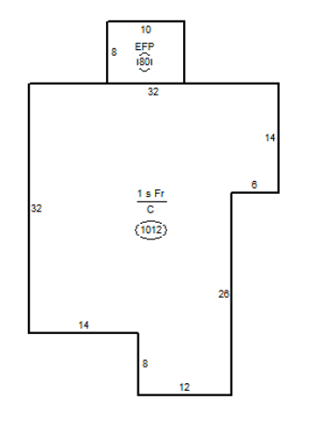
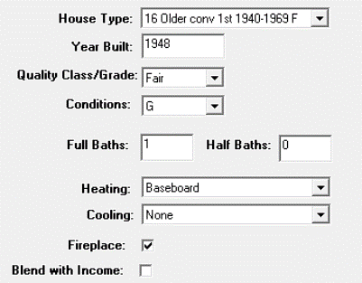

 |  |  |  | [(MA $/sq ft) X (Segment %)] X (Segment sq ft)

ProVal |  | Percentage of Base
MA: | $72,770 | MA: | $72,770
EFP: | $3,840 | EFP: | $3,255
Total: | $76,610 | Total: | $76,025
 |  |  | 99.24%

101891030007010
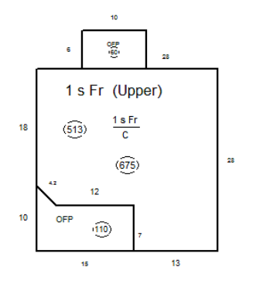
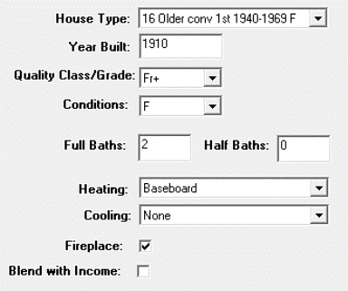

 |  |  |  | [(MA $/sq ft) X (Segment %)] X (Segment sq ft)

ProVal |  | Percentage of Base
MA: | $52,500 | MA: | $52,500 | $77.78
1/2 Story: | $35,720 | 1/2 Story: | $26,845 | at 2 St % of Base: | $33,126.00
Cov Porch: | $4,520 | Cov Porch: | $2,524.19
Total: | $92,740 | Total: | $81,869 |  | $88,150
 |  |  | 88.28% |  | 95.05%

106802040009016
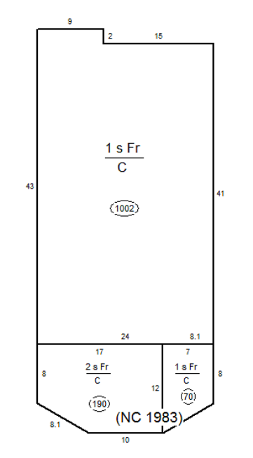
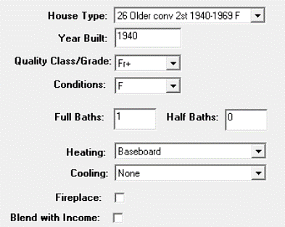

 |  |  | [(MA $/sq ft) X (Segment %)] X (Segment sq ft)

ProVal |  | Percentage of Base
MA: | $87,450 | MA: | $87,450 | $69.29
2nd Story: | $13,640 | 2nd Story: | $10,930
Total: | $101,090 | Total: | $98,380
 |  |  | 97.32%

